Concepts
S.No. | Concept Name | Description/Explanation | Additional Information/references/links (if any)
1 | Vi cursor movements | a. G --- last line b. gg --- first line c. Ctrl + U --- scroll up d. Ctrl + D --- scroll down e. w --- e(ifirst character of every word in a linn forward direction) f. b --- last character of every word in a line(in backward direction) g. ^ --- starting of a line. h. $ --- at last of a line.
2 | SetUID/SetGID/Sticky bit 4 2 1 | 1. Sticky bit : No one can delete the content of the directory except the Owner 2. SetGID : Group ownership will be inherited to all the content of the directory 3. SetUID : Any Command(like ls,passwd,cd) will be run with Owner rights instead of the rights of the executer(hint: which ls)
3 | Exit codes ($?) and chaining of commands | Any command that we run in bash has an exit code a. 0 --- successful b. non-zero --- unsuccessful NOTE - for chaining commands see References sheet
4 | Redirection | The command perform all terminal related activity with three files that the shell makes available to every command- FD#0 Standard input (stdin) file/stream FD#1 Standard output (stdout) file/stream FD#2 Standard error (stderr) file/stream Every program you done from the shell opens three files stdin, stdout and stderr. The files provide the primary means of communication between the programs and exist for as long as the process runs. => The stdin file provides a way to send data to a process. =>The stdout file provides a way to output data from a process. => The stderr file provides a way to output error mesaages that originated from a command or shell. Every command will always find these files, open and available. The files are closed when the command completes execution. Redirection is a feature in Linux that allows users to change the standard input/output devices of any command. => Standard input device is keyboard, which we can change to a file using redirection feature in Linux. => Standard output device is screen, which we can change to a file using redirection feature in Linux. In linux every file has an associated number called file descriptor. NOTE - for redirection see References sheet | 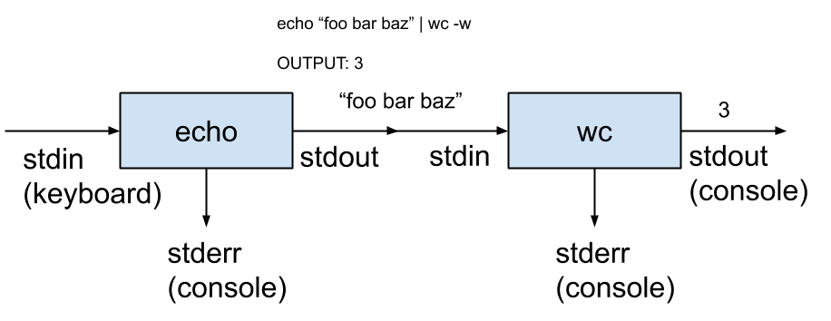
5 | sudo | there is a default timeout in Ubuntu and other Linux system for Sudo. In Ubuntu, this default sudo timeout is 15 minutes check /etc/sudoers file to know the group name of sudo group check groups if you are a part of sudo group or not fire sudo -l to check which all commands you can run sudo !! this runs last command with sudo if you forget to use sudo before command
6 | here document | Case 1:- command expansion and variable will work tr [:lower:] [:upper:] <<END every $(date) single world ${NAME} END Case 2:- command expansion and variable will not work cat <<'END' every $(date) single world ${NAME}is END Case 3: - remove tab in beginning if any (but not spaces) expect <<-END every $(date) single world ${NAME}is END Case 4: - comments <<-END every $(date) single world ${NAME}is END
7 | here string | bc <<< 6*8
8 | variable ${var} | ${var} is only expanded in double quotes " " and not in single quotes ' '
9 | login and non-login shell | see article to understand different files which runs on startup/login using ssh,su or terminal NOTE: each startup script will override the changes made by the previous scripts. So it is very important to remember the order in which the startup scripts are run. | https://tecadmin.net/difference-between-login-and-non-login-shell/
10 | Command grouping | Using { commands; } : Commands execute in current shell. Using ( commands ) : Commands will execute in a subshell. NOTE: When we change variables in a subshell, the changes are not visible outside the subshell. | https://www.baeldung.com/linux/combine-linux-commands
11 | permissions and attributes
 | fstab
13 | fg, bg, jobs, [command] & | ctrl + C to terminate, "jobs" to list out all jobs running in the current terminal, [command ] & to send a process to bg 1. To send running job/process to backfround ctrl + Z to suspend - this will stop the process, bg %1 to send job no. 1 in bg - this will start the process and if you do jobs it will say running | https://www.youtube.com/watch?v=ghh-8trIFYk&ab_channel=Pedagogy
14 | Script Arguments | receive with: #!/bin/sh echo "Script Name: $0" echo "First Parameter of the script is $1" echo "The second Parameter is $2" echo "The complete list of arguments is $@" echo "Total Number of Parameters: $#" echo "The process ID is $$" echo "Exit code for the script: $?"
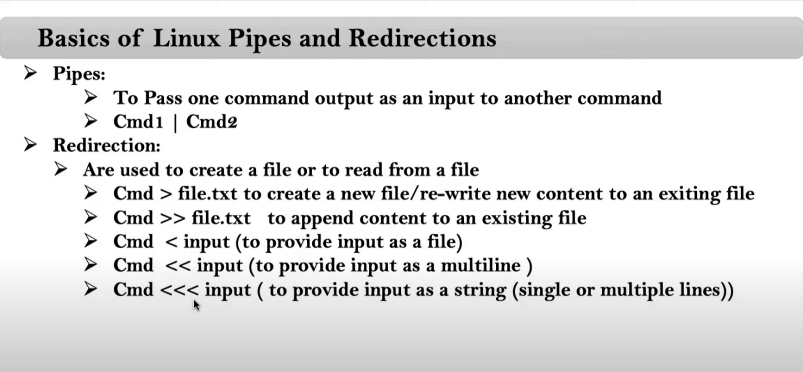
15

